FND-FTF #72
Issue Details |  |  |  | Resolution Details |  |  | Model Change Details |  |  | New metadata element(s): |  | Notes
JIRA | Actual Originator | JIRA Title | Comments | Section / Page | Figure | Wording | Ontology | Element | Model Actions | skos:definition | identifier (IRI) | Comments | Additional notes | Tech notes
72 | Dean Allemang | Add ContractParty as superClass to ContractParties | Add the parent of ContractPrincipal and CojntractCounterparty back in, This was called ContractParty | 10.8.2 page 107 (diagram 10.8.2 page 109ff (Table 10-43) | 10.17 | 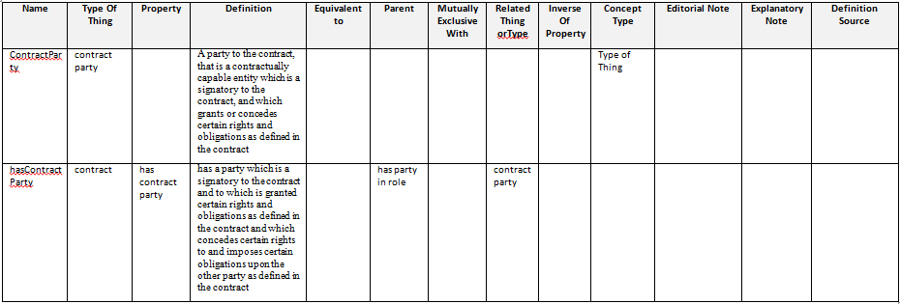 In sub-clause 10.8.2, Figure 10.17 will have been replaced by two or more diagrams segregated as to subject matter. For the subject matter of Contract related parties which includes the properties hasPrincipal, hasCounterpartyand hasThirdParty and the classes ContractPrincipal, ContractCounterparty and ContractThirdParty and associated restrictions, replace the material reflected in the original Figure 10.17 with the diagram shown below. In the table of terms and definitions (Table 10-43) which begin on page 109, append or insert the following new rows: | Contracts | ContractParty | Add OWL Class called ContractParty; make child of PartyInRole; delete subClassOf relations between both ContractPrincipal and ContractCounterparty, and PartyInRole. Make ContractPrincipal and ContractCounterparty subClassOf ContractParty. Change the valuesFrom reference of Restriction 02 (parent of Contract) from PartyInRole to ContractParty; Change the valuesFrom reference of Restriction 05 (parent of BilateralContract)from PartyInRole to ContractParty Add definition and IRI to ContractPArty | A party to the contract, that is a contractually capable entity which is a signatory to the contract, and which grants or concedes certain rights and obligations as defined in the contract. | http://www.omg.org/spec/EDMC-FIBO/FND/Agreements/Contracts/ContractParty | Requires addition of metadata for new element as well as diagram change. Requires change to Resriction 02 so that is refers to ContractParty and not PartyInRole. Also for the restriction on BilateralContract.
 |  |  |  |  | Table 10-43 | In Table 10-43 on Page 113, on Row 17 (ContractPrincipal) in the Parent column, delete the words "party in role" and replace with the words "contract party". In Table 10-43 on Page 113, on Row 19 (ContractCounterparty) in the Parent column, delete the words "party in role" and replace with the words "contract party". In Table 10-43 on Page 115, on Row 26 (hasPrincipal) in the Parent column, delete the words "has party in role" and replace with the words "has contract party". In Table 10-43 on Page 116, on Row 29 (hasCounterparty) in the Parent column, delete the words "has party in role" and replace with the words "has contract party". | Contracts | hasContractParty | Add an OWL object property called hasContractParty. Make this a child of hasPartyInRole. Delete the subPropertyOf relations from both hasPrincipal and hasCounterparty, and hasPartyInRole, and make hasPrincipal and HasCounterparty sub properties of hasContractParty. Change the onProperty relations from restriction 02 and restriction 05, to refer to hasContractParty. Add definition and IRI. | has a party which is a signatory to the contract and to which is granted certain rights and obligations as defined in the contract and which concedes certain rights to and imposes certain obligations upon the other party as defined in the contract. | http://www.omg.org/spec/EDMC-FIBO/FND/Agreements/Contracts/hasContractParty | Rationale: Addition of the class specified for this issue also requires the addition of a property directly from Contract to ContractParty, since there are direct properties for the Principal and Counterparty relations; this becomes the parent of those relations. Restrictions 02 and 05 should then also have their opProperty relations refer to the new property (that of being the party to a contract, not a party to just anything). Third Party remains unaffected (it is not a party to the contract, by definition!)

